Instructions
Monitor & Reassess
INSTRUCTIONS - How to use NEBA/SIMA Tool
Introduction
What is NEBA/SIMA: Net environmental benefit analysis (NEBA) or Spill Impact Mitigation Assessment (SIMA) is a structured approach used by the response community and stakeholders during oil spill preparedness, planning and response to compare the environmental benefit of potential response tools and develop a response strategy that will reduce the impact of an oil spill on the environment (IPEICA 2015). Depending on the scenario, environment may need to include the broader 'environment' including socio-economic and cultural costs and benefits. Remember- the dynamic nature of the incident is such that undue delays could result in both the NEBA/SIMA's conclusion and the resulting strategic decisions having little practical value (IPEICA 2017). You want as much information as possible across all aspects - but only if timely data is available. Where possible, classify broadly to save time.

Process
The NEBA/SIMA process can be summarised in four stages (which are detailed in the tabs in this excel workbook) (IPEICA 2017):
Stage 1
Compile and evaluate data (situational awareness) to identify an exposure scenario, potential response options, resources at risk and to understand the potential impacts of that spill scenario. Consider: • Oil type, seasonality of resources at risk (ecological and socio-economic and cultural where applicable), certainty around modelled predictions etc. • When ranking the priorities of the resources at risk consider importance, vulnerability, sensitivity, ability to recover, conservation status, amenity value, cultural heritage value, condition etc. Remember, a resource may be sensitive to oil impacts, but not vulnerable (consider exposure pathways). • Where can you gather your information from? This could be from formal databases, local knowledge, existing OSCP/OPEP/EPs etc. • Who needs to be involved in the NEBA/SIMA decision making process, and the final approval process (relevant stakeholders, ESC etc)? During an incident the NEBA/SIMA process will be undertaken through the existing emergency management structure and will consider stakeholder and community concerns to the extent practicable (IPEICA 2017). • Logistic constraints on response options. | 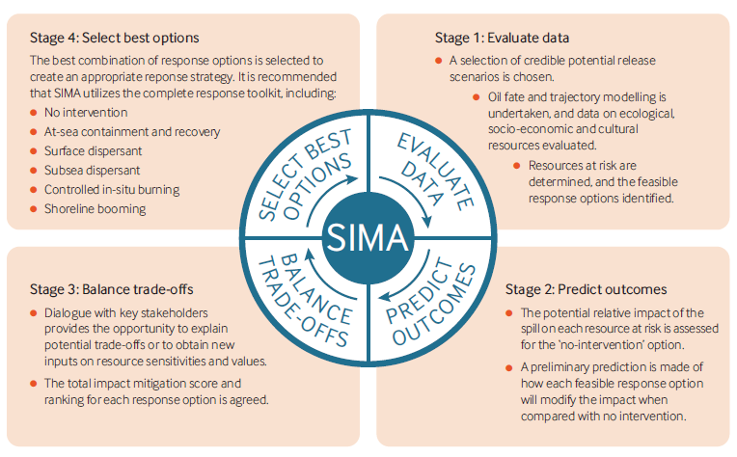
Stage 2
Using the information from Stage 1, predict outcomes/impacts for the 'no response' option, to determine which techniques are effective and feasible.
Stage 3
IPEICA 2017
Balance trade-offs by weighing and comparing the benefits and drawbacks associated with each feasible response option, including no intervention.
Stage 4
Select the best response option for the given scenario to form the strategy for the response. Once this has been done, complete tab 4 and make a summary of the outcomes of the NEBA/SIMA. Save. Print tabs Stage '1, 2 & 3, 4', staple with tab '4. Summarise Outcomes' tab at the front, and gain the appropriate approvals/signatures.
Stage 5
Monitor the situation. Has the response strategy implemented worked? You will need to continually monitor and reassess/update/revise the NEBA/SIMA where required to ensure an adequate response is obtained. Where a response option is not achieving the desired result, it may need to be reconsidered.

Use existing data where available, for example, for response to incidents where a scenario is covered by an OSCP/OPEP/EP that incorporates a NEBA/SIMA the following process can be used: a. Select the planning scenario that most closely matches the incident circumstances, along with its associated response strategy, as a starting point. b. Validate or adjust as needed the assumptions and considerations used in the planning (strategic) NEBA/SIMA for actual (operational) incident conditions. c. Confirm the applicability of the pre-determined response strategy or adjust as necessary.

Records
Complete a new NEBA/SIMA Tool for each revision of the NEBA/SIMA that is done. Ensure that each one is saved with the incident name, date and time. This is to ensure records are maintained for each operational period.

References - if you need more information use the following
IPIECA (2015). Response strategy development using net environmental benefit analysis (NEBA) - Good practice guidelines for incident management and emergency response personnel.
http://www.ipieca.org/resources/good-practice/response-strategy-development-using-net-environmental-benefit-analysis-neba/
IPIECA (2017). Guidelines on implementing spill impact mitigation assessment (SIMA) - A technical support document to accompany the IPIECA-IOGP guidance on net environmental benefit analysis (NEBA).
http://www.ipieca.org/resources/awareness-briefing/guidelines-on-implementing-spill-impact-mitigation-assessment-sima/

Database Links
• OSRA
https://www.transport.wa.gov.au/imarine/preparedness-response-resources.asp
• NatureMap Search
https://naturemap.dpaw.wa.gov.au/
• EPBC Map Protected Matters Search
http://www.environment.gov.au/epbc/protected-matters-search-tool
• SPRAT Database
http://www.environment.gov.au/cgi-bin/sprat/public/sprat.pl
• Australian Marine Spatial Information System
http://www.environment.gov.au/webgis-framework/apps/ncva/ncva.jsf
• North West Shelf Atlas
http://northwestatlas.org/nwa/about-us
• Ningaloo Atlas
http://ningaloo-atlas.org.au/

